Swings
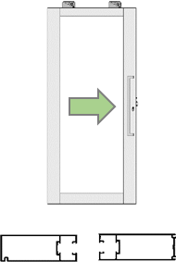
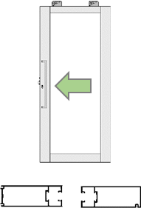
 |  | CHOOSE YOUR SWING |  |  |  |  | SLIDING DOOR HANDINGS
1 |  |  |  | 2 | S1 |  |  |  | S2

 | OUTSIDE | OUTSIDE |  |  |  | HUNG INSIDE | HUNG INSIDE
 | HINGE LEFT / SWING IN | HINGE RIGHT / SWING IN |  |  |  | CLOSING RIGHT / FUR OUT | CLOSING LEFT / FUR OUT

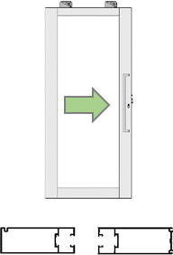
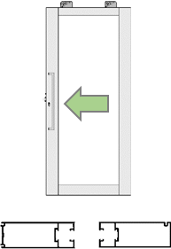
3 |  |  |  | 4 | S3 |  |  |  | S4

 | OUTSIDE | OUTSIDE |  |  |  | HUNG OUTSIDE | HUNG OUTSIDE
 | HINGE LEFT / SWING OUT | HINGE RIGHT / SWING OUT |  |  |  | CLOSING RIGHT / FUR IN | CLOSING LEFT / FUT IN
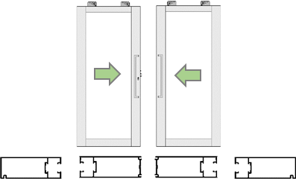
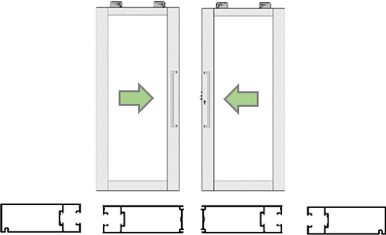
5 |  |  |  | 6 | S5 |  |  |  | S6

 | OUTSIDE |  | OUTSIDE |  |  | OUTSIDE |  | OUTSIDE
LEFT HAND ACTIVE / SWING IN |  |  | RIGHT HAND ACTIVE / SWING IN |  | LEFT HAND ACTIVE / SWING IN |  |  | RIGHT HAND ACTIVE / SWING IN

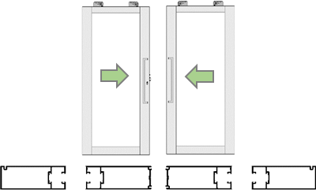
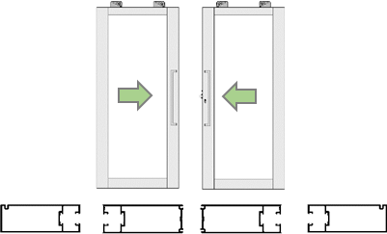
7 |  |  |  | 8 | S7 |  |  |  | S8

 | OUTSIDE |  | OUTSIDE |  |  | OUTSIDE |  | OUTSIDE
LEFT HAND ACTIVE / SWING OUT |  |  | RIGHT HAND ACTIVE / SWING OUT |  | LEFT HAND ACTIVE / SWING OUT |  |  | RIGHT HAND ACTIVE / SWING OUT

Formulas
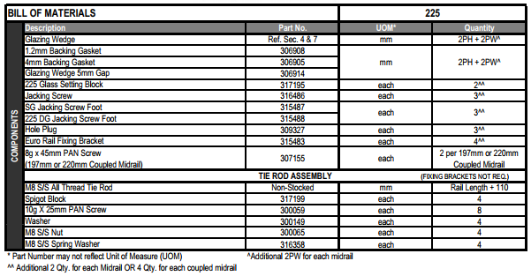
 |  |  | 35mm Doors | 45mm Doors | Alspec Swan Evo 45mm Doors
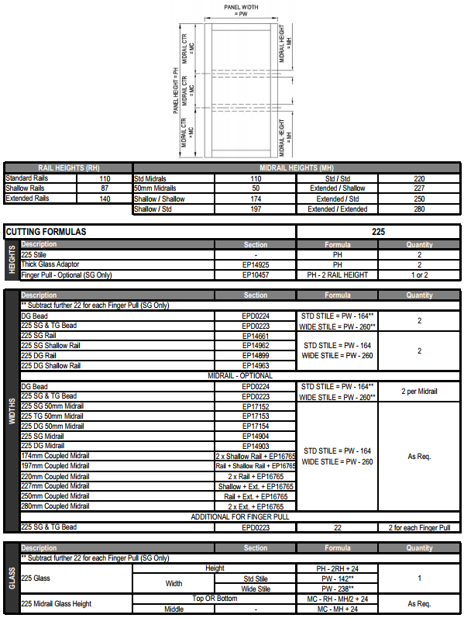

CUTTING |  |  |  |  |  | CUTTING
HEIGHTS | LOCK STILE | HT = HT |  |  |  | HEIGHTS | LOCK STILE | HT = HT
 | HINGE STILE | HT = HT |  |  |  |  | HINGE STILE | HT = HT
 | MEETING STILE | HT -10 |  |  |  |  | MEETING STILE | HT -10

WIDTHS | RAILS | WTH -200 |  |  |  | WIDTHS | RAILS | WTH -240
 | MIDRAILS | WTH -200 |  |  |  |  | MIDRAILS | WTH -240
 | BEADS | WTH -200.5 |  |  |  |  | BEADS | WTH -240.5
 | SEAL ADAPTOR | WTH -210 |  |  |  |  | SEAL ADAPTOR | WTH -250
 | FULL LENGTH ADAPTOR | WTH -8 | With Stile Cutouts to fit |  |  |  | FULL LENGTH ADAPTOR | WTH -5 | With Stile Cutouts to fit

GLAZING |  |  |  |  |  | GLAZING
 |  | HT -184 |  |  |  |  |  | HT -224
 |  | WTH -184 |  |  |  |  |  | WTH -224

82mm MIDRAIL | FROM TOP | MR¢ -125 | Top of Door to ¢ MidRail |  |  | 120mm MIDRAIL | FROM TOP | MR¢ -178 | Top of Door to ¢ MidRail
 | FROM BOTTOM | MR¢ -125 | Bottom of Door to ¢ Midrail |  |  |  | FROM BOTTOM | MR¢ -178 | Bottom of Door to ¢ Midrail
 | BETWEEN MIDRAILS | MR¢ -66 | ¢ Midrail to ¢ Midrail |  |  |  | BETEWEEN MIDRAILS | MR¢ -104 | ¢ Midrail to ¢ Midrail

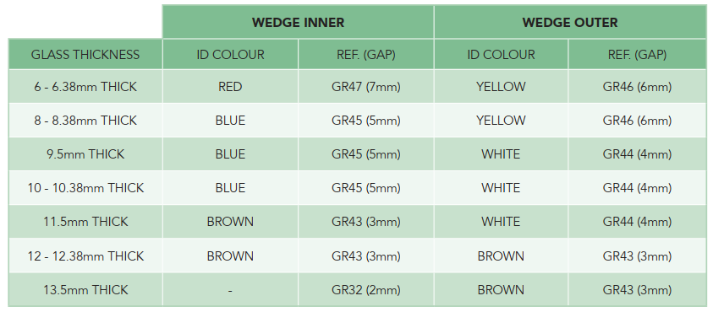
 |  |  |  |  | Glazing Wedges
Marco Extrusions
 | Wedge One | Glass | Wedge Two
 | GW5-6 | 6 | GW7-8
Captive Option | GW5-6C |  | GW7-8
 | GW6-7 | 8 | GW5-6
Captive Option | GW5-6C |  | GW5-6
 | GW3-4 | 10 | GW5-6
Captive Option | GW3-4C |  | GW5-6
 | GW3-4 | 12 | GW3-4
Captive Option | GW3-4C |  | GW3-4

